23-Contractor of The Yr
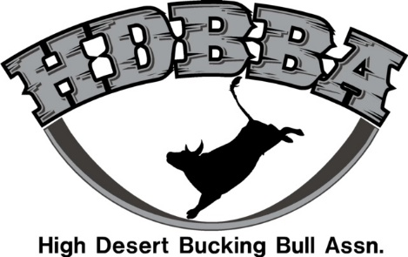

 |  |  | 2023 Stock Contractor

Place | Contractor | Duchsene Ut | Grantsville, UT | Sisters, OR | Idaho Falls, ID | Fallon, NV | Total Points
1st | Less Than 8 | 256.25 | 251 | 257.75 | 269.75 | 249.75 | 1284.5
2nd | Widener Bucking Bulls | 259.25 | 250.75 | 254.5 | 250.25 | 215.5 | 1230.25
3rd | C4 Bucking Bulls | 172.5 | 247.25 | 164.5 | 246.75 | 237 | 1068
4th | Bovico Bucking Bulls | 249.25 | 236.25 | 160 | 244.5 | 167 | 1057
5th | WB Bucking Bulls | 0 | 234.5 | 248.5 | 173.75 | 161.25 | 818
6th | Frontier Rodeo | 0 | 238.5 | 0 | 239 |  | 477.5
7th | Jacob Tollman | 219.25 | 209.75 | 0 | 0 |  | 429
8th | No Credit Bucking Bulls | 170.75 | 75.25 | 0 | 0 |  | 246

